Offer
 |  |  |  |  |  |  | GENDER | SIZE CHART |  |  |  |  |  |  |  |  |  |  |  |  |  |  |  |  | TOTAL QTY
 |  |  |  |  |  |  | MEN |  |  |  |  |  |  |  |  |  | 7.5 | 8 | 8.5 | 9 | 9.5 | 10 | 10.5 | 11
 |  |  |  |  |  |  | WOMEN |  |  | 5.5 | 6 | 6.5 | 7 | 7.5 | 8 | 8.5 | 9
 |  |  |  |  |  |  | UNISEX | 3 | 3.5 | 4 | 4.5 | 5 | 5.5 | 6 | 6.5 | 7 | 7.5 | 8 | 8.5 | 9 | 9.5 | 10 | 10.5 | 11
 |  |  |  |  | € 59.43 | € 19,657,895.00 | YOUTH |  | 10.5 | 11 | 11.5 | 12 | 12.5 | 13 | 13.5 | 1 | 1.5 | 2 | 2.5 | 3
IMAGE | STYLE | DESCRIPTION | CUT | COLORWAY | RRP PRICE | TOT RRP PRICE | INFANT | 1 | 2 | 3 | 4 | 5 | 6 | 7 | 8 | 9 | 10

Adults Carry Over - Core
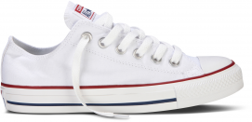 | M7652C | Chuck Taylor All Star Core | Ox | Optical White | € 65.00 | € 50,245.00 |  |  | 69 | 44 | 48 | 49 | 51 | 69 | 50 | 35 | 68 | 20 | 20 | 21 | 80 | 72 | 65 | 12 | 773
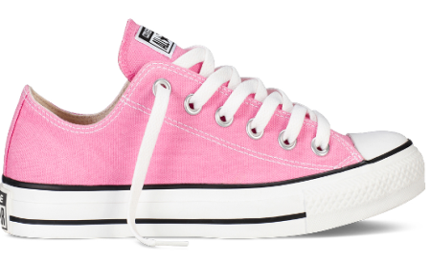 | M9007C | Chuck Taylor All Star Core | Ox | Pink | € 65.00 | € 128,180.00 |  |  | 36 | 209 | 76 | 239 | 215 | 199 | 413 | 129 | 228 | 33 | 31 | 35 | 34 | 32 | 32 | 31 | 1,972
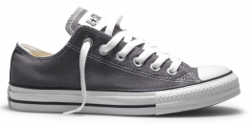 | 1J794C | Chuck Taylor All Star Specialty | Ox | Charcoal | € 65.00 | € 838,890.00 |  |  | 401 | 535 | 602 | 886 | 357 | 470 | 455 | 407 | 384 | 312 | 1471 | 1593 | 1660 | 1768 | 1159 | 446 | 12,906
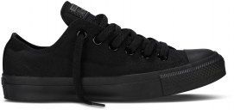 | M5039C | Chuck Taylor All Star Core | Ox | Black/Mono | € 65.00 | € 262,405.00 |  |  | 49 | 79 | 87 | 80 | 51 | 56 | 91 | 59 | 52 | 74 | 282 | 733 | 749 | 905 | 410 | 280 | 4,037
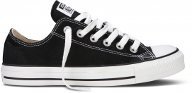 | M9166C | Chuck Taylor All Star Core | Ox | Black | € 65.00 | € 327,665.00 |  |  | 36 | 71 | 217 | 208 | 187 | 336 | 262 | 110 | 125 | 348 | 175 | 365 | 346 | 341 | 921 | 993 | 5,041
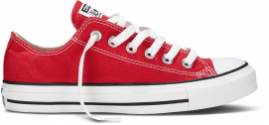 | M9696C | Chuck Taylor All Star Core | Ox | Red | € 65.00 | € 545,350.00 |  |  | 111 | 138 | 242 | 181 | 272 | 267 | 238 | 155 | 181 | 442 | 984 | 1127 | 1179 | 1011 | 1396 | 466 | 8,390
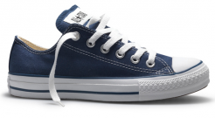 | M9697C | Chuck Taylor All Star Core | Ox | Navy | € 65.00 | € 1,359,540.00 |  |  | 211 | 472 | 1605 | 1870 | 1345 | 1788 | 776 | 133 | 495 | 566 | 2678 | 2612 | 2565 | 2256 | 777 | 767 | 20,916
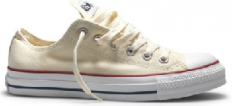 | M9165C | Chuck Taylor All Star Core | Ox | Natural White | € 65.00 | € 200,070.00 |  |  | 44 | 35 | 159 | 142 | 184 | 234 | 75 | 81 | 106 | 141 | 285 | 417 | 340 | 398 | 227 | 210 | 3,078
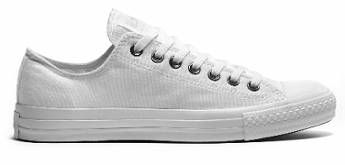 | 1U647 | Chuck Taylor All Star Core Mono | Ox | White/Mono | € 65.00 | € 150,345.00 |  |  | 60 | 68 | 107 | 195 | 148 | 164 | 77 | 79 | 95 | 122 | 194 | 240 | 173 | 302 | 160 | 129 | 2,313
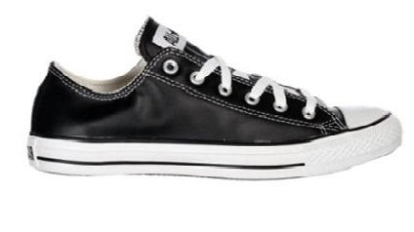 | 1Q549 | Chuck Taylor All Star Leather Black | Ox | Black/white | € 100.00 | € 132,700.00 |  |  | 64 | 66 | 67 | 73 | 68 |  | 66 | 66 | 66 | 68 | 102 | 116 | 111 | 223 | 120 | 51 | 1,327
 | 1T865 | Chuck Taylor All Star Core Mono Lthr | Ox | Black/Mono | € 90.00 | € 249,030.00 |  |  | 84 | 114 | 268 | 258 | 154 | 137 | 43 | 31 | 41 | 49 | 163 | 363 | 81 | 393 | 436 | 152 | 2,767
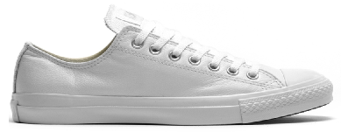 | 1T866 | Chuck Taylor All Star Core Mono Lthr | Ox | White/Mono | € 90.00 | € 453,330.00 |  |  | 52 | 66 | 263 | 193 | 293 | 190 | 71 | 118 | 120 | 176 | 462 | 771 | 844 | 876 | 161 | 381 | 5,037
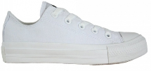 | 1T747 | Chuck Taylor All Star Core SPC Ox | Ox | White/White | € 80.00 | € 231,440.00 |  |  | 42 | 63 | 81 | 124 | 96 | 154 | 52 | 47 | 79 | 118 | 395 | 468 | 419 | 376 | 186 | 193 | 2,893
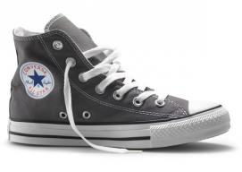 | 1J793C | Chuck Taylor All Star Specialty | Hi | Charcoal | € 70.00 | € 796,810.00 |  |  | 326 | 389 | 225 | 572 | 558 | 488 | 376 | 322 | 519 | 685 | 1190 | 1250 | 1326 | 1488 | 905 | 764 | 11,383
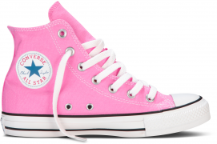 | M9006C | Chuck Taylor All Star Core | Hi | Pink | € 70.00 | € 174,160.00 |  |  | 47 | 75 | 84 | 270 | 295 | 411 | 505 | 239 | 303 | 32 | 33 | 46 | 43 | 38 | 34 | 33 | 2,488
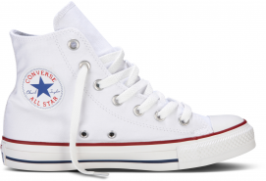 | M7650C | Chuck Taylor All Star Core | Hi | Optical White | € 70.00 | € 534,310.00 |  |  | 81 | 97 | 118 | 125 | 94 | 162 | 142 | 178 | 62 | 143 | 231 | 571 | 2754 | 612 | 1131 | 1132 | 7,633
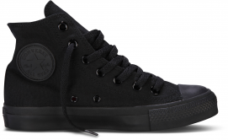 | M3310C | Chuck Taylor All Star Core | Hi | Black/Mono | € 70.00 | € 559,300.00 |  |  | 143 | 251 | 676 | 724 | 599 | 509 | 179 | 72 | 200 | 249 | 681 | 753 | 1137 | 873 | 533 | 411 | 7,990
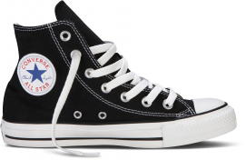 | M9160C | Chuck Taylor All Star Core | Hi | Black | € 70.00 | € 515,690.00 |  |  | 107 | 311 | 86 | 213 | 203 | 297 | 144 | 173 | 123 | 956 | 256 | 431 | 429 | 829 | 1910 | 899 | 7,367
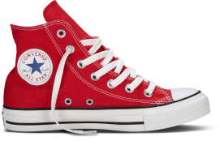 | M9621C | Chuck Taylor All Star Core | Hi | Red | € 70.00 | € 597,870.00 |  |  | 83 | 95 | 97 | 323 | 327 | 367 | 123 | 66 | 218 | 339 | 1380 | 1229 | 1449 | 1143 | 652 | 650 | 8,541
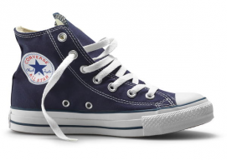 | M9622C | Chuck Taylor All Star Core | Hi | Navy | € 70.00 | € 2,714,950.00 |  |  | 1125 | 1175 | 2269 | 2244 | 2325 | 2476 | 1650 | 1562 | 1376 | 1576 | 3528 | 3524 | 3382 | 6222 | 2441 | 1910 | 38,785
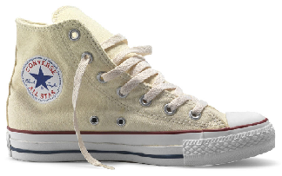 | M9162C | Chuck Taylor All Star Core | Hi | Natural White | € 70.00 | € 101,150.00 |  |  | 75 | 62 | 62 | 69 | 80 | 102 | 97 | 98 | 95 | 122 | 110 | 94 | 106 | 82 | 67 | 124 | 1,445
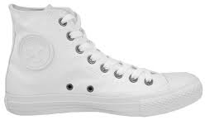 | 1U646 | Chuck Taylor All Star Core Mono | Hi | White Mono | € 70.00 | € 199,290.00 |  |  | 83 | 62 | 141 | 328 | 251 | 152 | 55 | 63 | 63 | 69 | 327 | 165 | 334 | 173 | 253 | 328 | 2,847
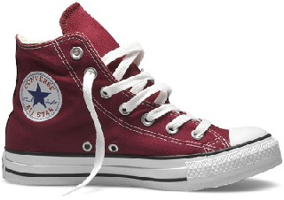 | M9613C | Chuck Taylor All Star Core | Hi | Maroon | € 70.00 | € 81,200.00 |  |  | 45 | 46 | 57 | 50 | 49 | 58 | 51 | 55 | 51 | 45 | 67 | 69 | 164 | 128 | 106 | 119 | 1,160
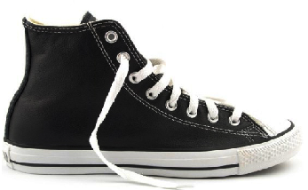 | 1S581 | Chuck Taylor All Star Core | Hi | Black | € 110.00 | € 530,200.00 |  |  | 301 | 247 | 241 | 414 | 397 | 337 | 200 | 243 | 251 | 380 | 256 | 322 | 399 | 360 | 246 | 226 | 4,820
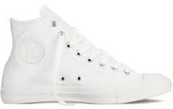 | 1T406 | Chuck Taylor All Star Lhtr Core | Hi | Mono White | € 85.00 | € 260,780.00 |  |  | 88 | 76 | 48 | 134 | 175 | 522 | 54 | 98 | 47 | 90 | 238 | 253 | 344 | 445 | 259 | 197 | 3,068
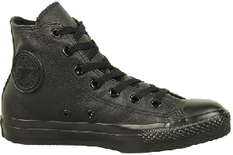 | 1T405 | Chuck Taylor All Star Lhtr Core | Hi | Mono Black | € 85.00 | € 467,840.00 |  |  | 209 | 183 | 571 | 535 | 499 | 483 | 136 | 122 | 152 | 171 | 355 | 409 | 687 | 519 | 230 | 243 | 5,504

Kids - Carry Over - Core
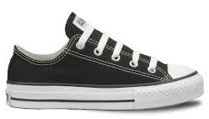 | 3J235C | Chuck Taylor All Star Core | Ox | Black | € 45.00 | € 264,600.00 |  |  | 496 | 204 | 238 | 491 | 575 | 447 | 1124 | 867 | 752 | 522 | 116 | 48 |  |  |  |  | 5,880
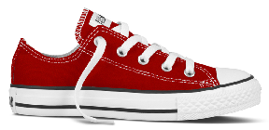 | 3J236C | Chuck Taylor All Star Core | Ox | Red | € 45.00 | € 242,775.00 |  |  | 166 | 328 | 425 | 451 | 347 | 358 | 709 | 880 | 770 | 716 | 159 | 86 |  |  |  |  | 5,395
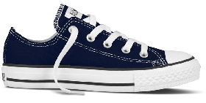 | 3J237C | Chuck Taylor All Star Core | Ox | Navy | € 45.00 | € 270,045.00 |  |  | 273 | 230 | 500 | 374 | 447 | 614 | 1161 | 850 | 706 | 643 | 131 | 72 |  |  |  |  | 6,001
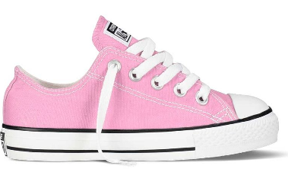 | 3J238C | Chuck Taylor All Star Core | Ox | Pink | € 45.00 | € 140,625.00 |  |  | 74 | 78 | 214 | 108 | 125 | 339 | 615 | 476 | 399 | 480 | 173 | 44 |  |  |  |  | 3,125
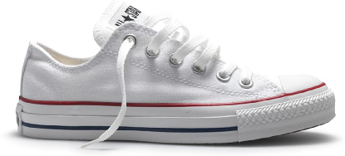 | 3J256C | Chuck Taylor All Star Core | Ox | Optical White | € 45.00 | € 179,415.00 |  |  | 429 | 218 | 492 | 207 | 227 | 164 | 868 | 718 | 275 | 169 | 119 | 101 |  |  |  |  | 3,987
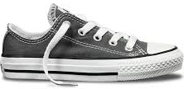 | 3J794C | Chuck Taylor All Star Core | Ox | Charcoal | € 45.00 | € 156,330.00 |  |  | 184 | 195 | 231 | 786 | 176 | 159 | 482 | 404 | 318 | 408 | 86 | 45 |  |  |  |  | 3,474
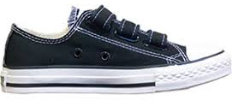 | 3V603C | Chuck Taylor All Star Core 3strap | Ox | Black | € 45.00 | € 267,075.00 |  |  | 279 | 229 | 350 | 308 | 302 | 303 | 838 | 702 | 692 | 741 | 648 | 543 |  |  |  |  | 5,935
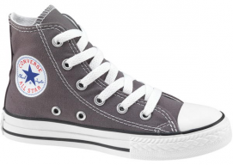 | 3J793C | Chuck Taylor All Star Core | Hi | Charcoal | € 50.00 | € 124,150.00 |  |  | 255 | 245 | 279 | 262 | 236 | 684 | 114 | 99 | 91 | 95 | 87 | 36 |  |  |  |  | 2,483
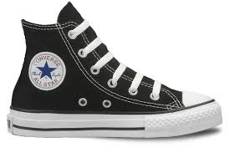 | 3J231C | Chuck Taylor All Star Core | Hi | Black | € 50.00 | € 444,600.00 |  |  | 628 | 548 | 726 | 762 | 720 | 573 | 1343 | 1109 | 771 | 1040 | 590 | 82 |  |  |  |  | 8,892
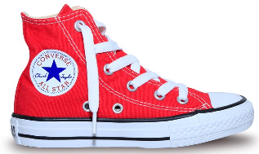 | 3J232C | Chuck Taylor All Star Core | Hi | Red | € 50.00 | € 674,750.00 |  |  | 743 | 715 | 892 | 804 | 851 | 850 | 1916 | 1668 | 1586 | 1594 | 1204 | 672 |  |  |  |  | 13,495
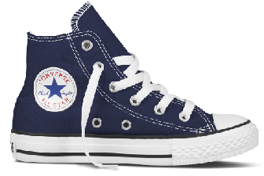 | 3J233C | Chuck Taylor All Star Core | Hi | Navy | € 50.00 | € 686,700.00 |  |  | 731 | 837 | 1028 | 1060 | 1048 | 276 | 1814 | 1762 | 1717 | 1661 | 1227 | 573 |  |  |  |  | 13,734
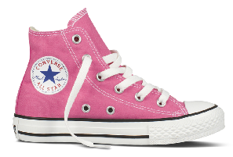 | 3J234C | Chuck Taylor All Star Core | Hi | Pink | € 50.00 | € 142,700.00 |  |  | 65 | 77 | 145 | 98 | 69 | 361 | 718 | 326 | 368 | 407 | 157 | 63 |  |  |  |  | 2,854
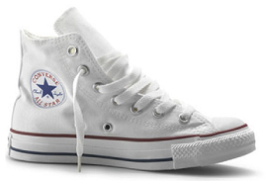 | 3J253C | Chuck Taylor All Star Core | Hi | Optical White | € 50.00 | € 422,350.00 |  |  | 462 | 531 | 612 | 525 | 509 | 609 | 1262 | 1108 | 1216 | 1111 | 429 | 73 |  |  |  |  | 8,447
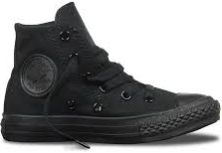 | 3S121C | Chuck Taylor All Star Core | Hi | Mono Black | € 50.00 | € 143,150.00 |  |  | 180 | 167 | 255 | 132 | 165 | 118 | 453 | 346 | 375 | 452 | 161 | 59 |  |  |  |  | 2,863

Infant - Carry Over - Core
 | 7J235C | Chuck Taylor All Star Core | Ox | Black | € 40.00 | € 187,160.00 |  |  | 302 | 257 | 140 | 595 | 501 | 465 | 496 | 503 | 1420 |  |  |  |  |  |  |  | 4,679
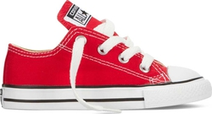 | 7J236C | Chuck Taylor All Star Core | Ox | Red | € 40.00 | € 110,200.00 |  |  | 166 | 163 | 80 | 327 | 400 | 178 | 240 | 521 | 680 |  |  |  |  |  |  |  | 2,755
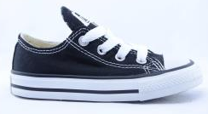 | 7J237C | Chuck Taylor All Star Core | Ox | Navy | € 40.00 | € 50,280.00 |  |  | 301 | 252 | 107 | 108 | 80 | 65 | 78 | 84 | 182 |  |  |  |  |  |  |  | 1,257
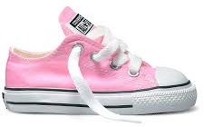 | 7J238C | Chuck Taylor All Star Core | Ox | Pink | € 40.00 | € 142,360.00 |  |  | 205 | 120 | 79 | 444 | 411 | 447 | 455 | 628 | 770 |  |  |  |  |  |  |  | 3,559
 | 7J794C | Chuck Taylor All Star Core | Ox | Charcoal | € 40.00 | € 210,280.00 |  |  | 348 | 378 | 323 | 715 | 679 | 673 | 655 | 720 | 766 |  |  |  |  |  |  |  | 5,257
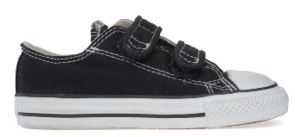 | 7V603C | Chuck Taylor All Star Core 2strap | Ox | Black | € 40.00 | € 120,440.00 |  |  | 371 | 318 | 122 | 429 | 347 | 284 | 315 | 348 | 477 |  |  |  |  |  |  |  | 3,011
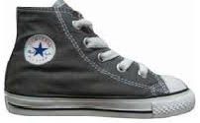 | 7J793C | Chuck Taylor All Star Core | Hi | Charcoal | € 45.00 | € 269,370.00 |  |  | 516 | 481 | 463 | 675 | 871 | 199 | 842 | 989 | 950 |  |  |  |  |  |  |  | 5,986
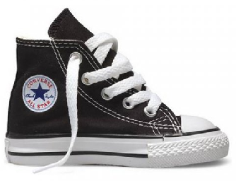 | 7J231C | Chuck Taylor All Star Core | Hi | Black | € 45.00 | € 276,525.00 |  |  | 483 | 491 | 337 | 885 | 713 | 658 | 810 | 819 | 949 |  |  |  |  |  |  |  | 6,145
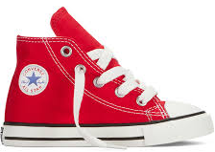 | 7J232C | Chuck Taylor All Star Core | Hi | Red | € 45.00 | € 392,850.00 |  |  | 658 | 572 | 334 | 1071 | 765 | 1561 | 1153 | 1176 | 1440 |  |  |  |  |  |  |  | 8,730
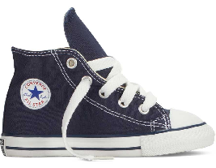 | 7J233C | Chuck Taylor All Star Core | Hi | Navy | € 45.00 | € 405,090.00 |  |  | 685 | 650 | 443 | 1074 | 1004 | 1035 | 1025 | 1390 | 1696 |  |  |  |  |  |  |  | 9,002
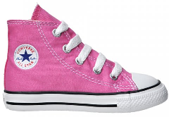 | 7J234C | Chuck Taylor All Star Core | Hi | Pink | € 45.00 | € 457,785.00 |  |  | 746 | 728 | 482 | 1067 | 1331 | 1314 | 1357 | 1543 | 1605 |  |  |  |  |  |  |  | 10,173
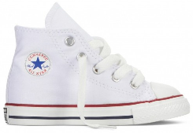 | 7J253C | Chuck Taylor All Star Core | Hi | Optical White | € 45.00 | € 255,870.00 |  |  | 513 | 417 | 182 | 721 | 784 | 786 | 1021 | 492 | 770 |  |  |  |  |  |  |  | 5,686
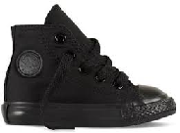 | 7S121C | Chuck Taylor All Star Core | Hi | Mono Black | € 45.00 | € 157,680.00 |  |  | 263 | 259 | 211 | 505 | 440 | 418 | 457 | 443 | 508 |  |  |  |  |  |  |  | 3,504

GRAND TOTAL |  |  |  |  |  |  |  |  |  |  |  |  |  |  |  |  |  |  |  |  |  |  |  |  | 330,790

STOCK SUMMARY
Adults |  |  |  |  |  |  |  |  | 3,972 | 5,029 | 8,497 | 10,499 | 9,273 | 10,428 | 6,381 | 4,741 | 5,500 | 7,326 | 15,894 | 17,977 | 21,135 | 21,865 | 14,817 | 11,147 | 174,481 | 53%
Kids |  |  |  |  |  |  |  |  | 4,965 | 4,602 | 6,387 | 6,368 | 5,797 | 5,855 | 13,417 | 11,315 | 10,036 | 10,039 | 5,287 | 2,497 |  | - | - | - | 86,565 | 26%
Infants |  |  |  |  |  |  |  |  | 5,557 | 5,086 | 3,303 | 8,616 | 8,326 | 8,083 | 8,904 | 9,656 | 12,213 | - | - | - | - | - | - | - | 69,744 | 21%
GRAND TOTAL |  |  |  |  |  |  |  |  | 14,494 | 14,717 | 18,187 | 25,483 | 23,396 | 24,366 | 28,702 | 25,712 | 27,749 | 17,365 | 21,181 | 20,474 | 21,135 | 21,865 | 14,817 | 11,147 | 330,790 | 100%

